Sheet1
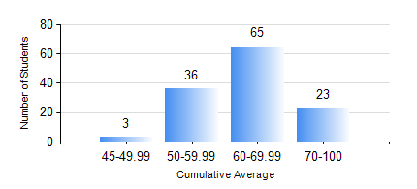
 |  |  | KWAME NKRUMAH UNIVERSITY OF SCIENCE AND TECHNOLOGY, KUMASI Department of Geomatic Engineering

 |  |  | BSC. GEOMATIC ENG.

 |  |  | COMPREHENSIVE RECORD OF EXAMINATION RESULTS

 |  |  | RESULTS OF YEAR 4 FIRST SEMESTER, 2021/2022 ACADEMIC YEAR

 | Sn | Course Code |  | Course Name | Credit Hours | Min. Mark | Max. Mark | Avg. Mark | Std. Dev. | No. Passed | No. Trailed | No. (Df) | No. (I) | No. (I*) | No. Tagged(I,I*,Df) | Total
 | 1. | CE 461 |  | ENG ECONOMY AND ENTERPRENEURSHIP DEVELOPMENT | 3 | 7 | 93 | 51 | 15.8 | 101 | 26 | 0 | 0 | 0 | 0 | 127
 | 2. | GE 451 |  | GEODETIC SURVEYING II | 3 | 20 | 87 | 58 | 16.55 | 114 | 13 | 0 | 0 | 0 | 0 | 127
 | 3. | GE 461 |  | CADASTRAL SURVEYING | 3 | 24 | 87 | 58 | 12.25 | 120 | 7 | 0 | 0 | 0 | 0 | 127
 | 4. | GE 463 |  | LAND AND GEOGRAPHIC INFORMATION SYSTEM I | 3 | 46 | 90 | 68 | 8.46 | 127 | 0 | 0 | 0 | 0 | 0 | 127
 | 5. | GE 475 |  | GEOMATIC METHODS | 2 | 31 | 82 | 63 | 8.83 | 125 | 2 | 0 | 0 | 0 | 0 | 127
 | 6. | GE 491 |  | PROJECT I | 4 | 46 | 87 | 76 | 6.38 | 127 | 0 | 0 | 0 | 0 | 0 | 127

